FACULTY DETAILS
DEPARTMENT OF INFORMATION TECHNOLOGY
STAFF DETAILS FOR WEBSITE
SL.NO. | NAME OF THE FACULTY | EMPLOYEE ID | QUALIFICATION | DEPARTMENT | DESIGNATION | EXPERIENCE | MAIL ID | STAFF PHOTO
1 | Mrs.P.KALAISELVI | A03120 | M.Sc,M.Phil,B.Ed | INFORMATION TECHNOLOGY | ASSISTANT PROFESSOR & HEAD OF THE DEPARTMENT | 10 YEAR | p.kalaiselvi.aasc@achariya.org | 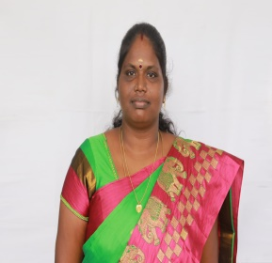
2 | Mrs.C.KARPAGAVALLI | A05669 | MCA,M.Phil,B.Ed | INFORMATION TECHNOLOGY | ASSISTANT PROFESSOR | 5 YEAR | karpagavalli.mm@gmail.com | 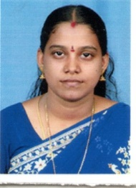
3 | Mr. V.DHINAHAR | A67063 | B.Sc ( CS ), MCA | INFORMATION TECHNOLOGY | ASSISTANT PROFESSOR | 1 YEAR | vdhinahar777@gmail.com | 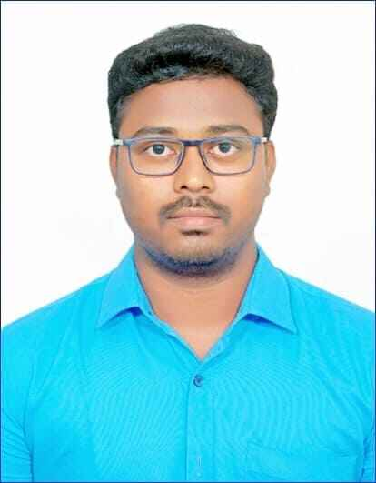
4 | Mrs.B.BEULA GRACE | A67318 | BCA,MCA | INFORMATION TECHNOLOGY | ASSISTANT PROFESSOR | 5 MONTH | beulagrace12@gmail.com

